Image example
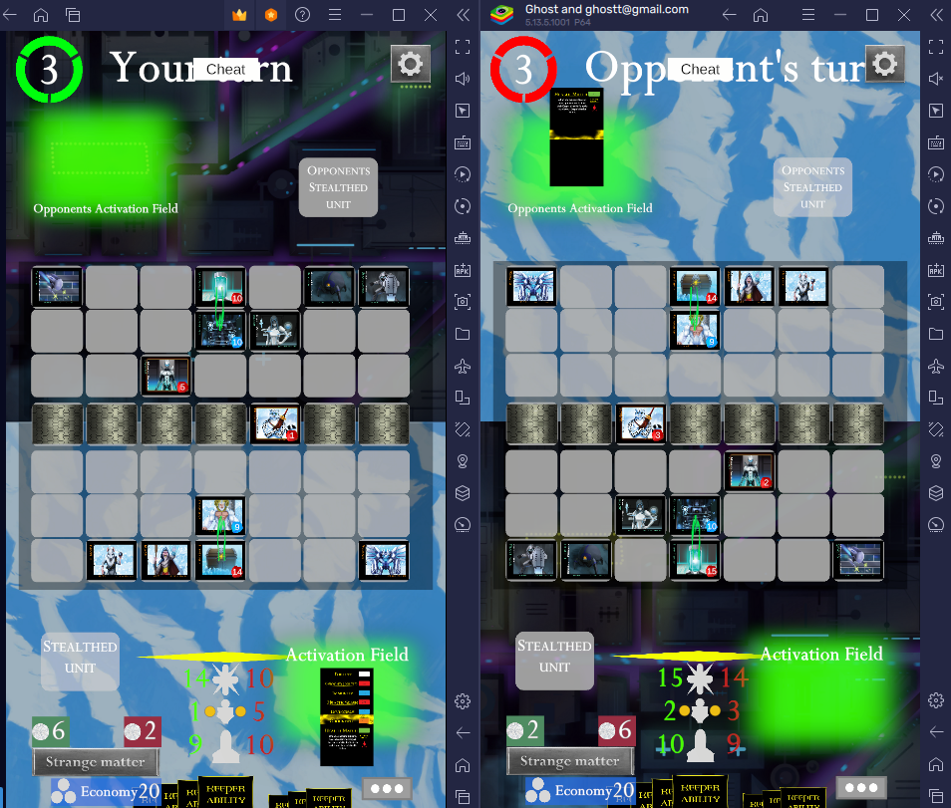
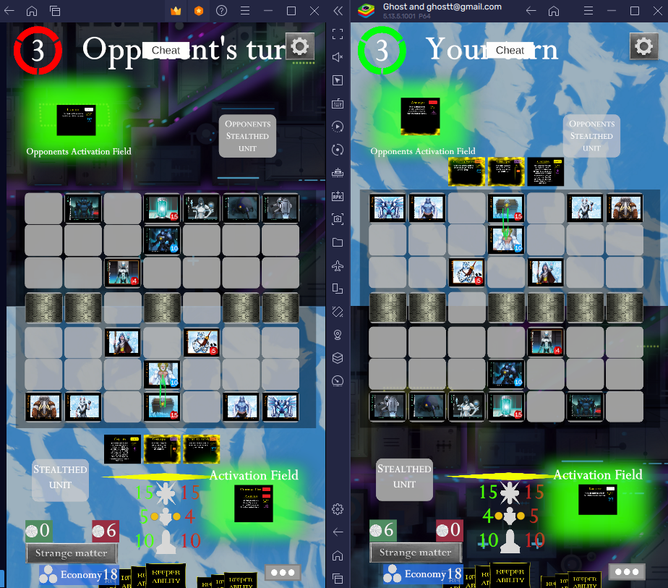
Version 1.0.23, sometimes game does not match both players. See below. Not syncing as should be by a uniform server.

